Output B27
 | Profit - Model!B27 (Sim 1)
 | Report: | Compact Output Report

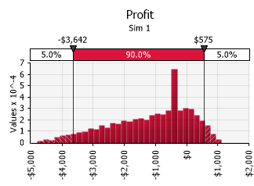 |  |  | Summary Statistics
 |  |  | Statistic |  |  | Value
 |  |  | Minimum |  |  | -$ 4,787.56
 |  |  | Maximum |  |  | $ 1,130.88
 |  |  | Mean |  |  | -$ 1,162.86
 |  |  | Std. Deviation |  |  | $ 1,291.02
 |  |  | Variance |  |  | 1,666,721
 |  |  | Skewness |  |  | -0.6007
 |  |  | Kurtosis |  |  | 2.5328
 |  |  | Median |  |  | -$ 890.08
 |  |  | Mode |  |  | -$ 380.16
 |  |  | Left X |  |  | -$ 3,641.66
 |  |  | Left P |  |  | 5%
 |  |  | Right X |  |  | $ 574.98
 |  |  | Right P |  |  | 95%

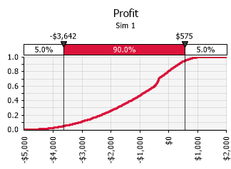 |  |  | Percentiles
 |  |  | Percentile |  |  | Value
 |  |  | 1% |  |  | -$ 4,350.24
 |  |  | 2.5% |  |  | -$ 3,995.50
 |  |  | 5% |  |  | -$ 3,641.66
 |  |  | 10% |  |  | -$ 3,074.58
 |  |  | 20% |  |  | -$ 2,339.12
 |  |  | 25% |  |  | -$ 2,056.47
 |  |  | 50% |  |  | -$ 890.08
 |  |  | 75% |  |  | -$ 188.98
 |  |  | 80% |  |  | -$ 21.80
 |  |  | 90% |  |  | $ 331.57
 |  |  | 95% |  |  | $ 574.98
 |  |  | 97.5% |  |  | $ 732.79
 |  |  | 99% |  |  | $ 865.65

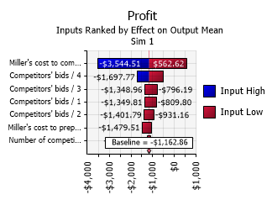 |  |  | Change in Output
 |  |  | Rank | Name | Lower |  | Upper
 |  |  | 1 | Miller's cost to complete project / Min | -$ 3,544.51 |  | $ 562.62
 |  |  | 2 | Competitors' bids / 4 | -$ 1,697.77 |  | -$ 498.50
 |  |  | 3 | Competitors' bids / 3 | -$ 1,348.96 |  | -$ 796.19
 |  |  | 4 | Competitors' bids / 1 | -$ 1,349.81 |  | -$ 809.80
 |  |  | 5 | Competitors' bids / 2 | -$ 1,401.79 |  | -$ 931.16
 |  |  | 6 | Miller's cost to prepare a bid / Min | -$ 1,479.51 |  | -$ 1,035.29
 |  |  | 7 | Number of competing bids / Min | -$ 1,262.62 |  | -$ 1,083.97

Output B27 (2)
 | Profit - Model!B27 (Sim 2)
 | Report: | Compact Output Report

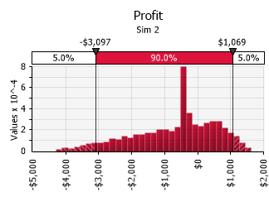 |  |  | Summary Statistics
 |  |  | Statistic |  |  | Value
 |  |  | Minimum |  |  | -$ 4,287.56
 |  |  | Maximum |  |  | $ 1,630.88
 |  |  | Mean |  |  | -$ 682.26
 |  |  | Std. Deviation |  |  | $ 1,243.07
 |  |  | Variance |  |  | 1,545,218
 |  |  | Skewness |  |  | -0.6005
 |  |  | Kurtosis |  |  | 2.7402
 |  |  | Median |  |  | -$ 416.23
 |  |  | Mode |  |  | -$ 377.93
 |  |  | Left X |  |  | -$ 3,096.71
 |  |  | Left P |  |  | 5%
 |  |  | Right X |  |  | $ 1,069.17
 |  |  | Right P |  |  | 95%

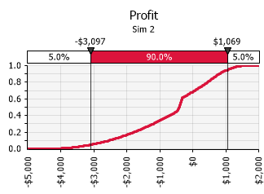 |  |  | Percentiles
 |  |  | Percentile |  |  | Value
 |  |  | 1% |  |  | -$ 3,837.50
 |  |  | 2.5% |  |  | -$ 3,458.08
 |  |  | 5% |  |  | -$ 3,096.71
 |  |  | 10% |  |  | -$ 2,544.91
 |  |  | 20% |  |  | -$ 1,790.43
 |  |  | 25% |  |  | -$ 1,486.75
 |  |  | 50% |  |  | -$ 416.23
 |  |  | 75% |  |  | $ 257.14
 |  |  | 80% |  |  | $ 449.07
 |  |  | 90% |  |  | $ 804.84
 |  |  | 95% |  |  | $ 1,069.17
 |  |  | 97.5% |  |  | $ 1,228.34
 |  |  | 99% |  |  | $ 1,363.61

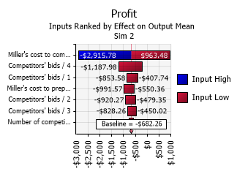 |  |  | Change in Output
 |  |  | Rank | Name | Lower |  | Upper
 |  |  | 1 | Miller's cost to complete project / Min | -$ 2,915.78 |  | $ 963.48
 |  |  | 2 | Competitors' bids / 4 | -$ 1,187.98 |  | -$ 203.59
 |  |  | 3 | Competitors' bids / 1 | -$ 853.58 |  | -$ 407.74
 |  |  | 4 | Miller's cost to prepare a bid / Min | -$ 991.57 |  | -$ 550.36
 |  |  | 5 | Competitors' bids / 2 | -$ 920.27 |  | -$ 479.35
 |  |  | 6 | Competitors' bids / 3 | -$ 828.26 |  | -$ 450.02
 |  |  | 7 | Number of competing bids / Min | -$ 760.67 |  | -$ 594.48

Output B27 (3)
 | Profit - Model!B27 (Sim 3)
 | Report: | Compact Output Report

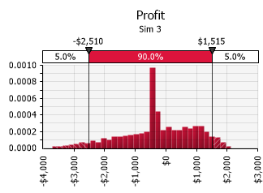 |  |  | Summary Statistics
 |  |  | Statistic |  |  | Value
 |  |  | Minimum |  |  | -$ 3,715.15
 |  |  | Maximum |  |  | $ 2,130.88
 |  |  | Mean |  |  | -$ 258.83
 |  |  | Std. Deviation |  |  | $ 1,177.19
 |  |  | Variance |  |  | 1,385,784
 |  |  | Skewness |  |  | -0.4376
 |  |  | Kurtosis |  |  | 2.8605
 |  |  | Median |  |  | -$ 341.79
 |  |  | Mode |  |  | -$ 353.89
 |  |  | Left X |  |  | -$ 2,509.84
 |  |  | Left P |  |  | 5%
 |  |  | Right X |  |  | $ 1,514.79
 |  |  | Right P |  |  | 95%

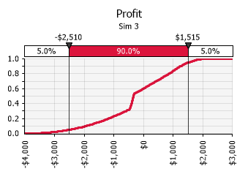 |  |  | Percentiles
 |  |  | Percentile |  |  | Value
 |  |  | 1% |  |  | -$ 3,212.29
 |  |  | 2.5% |  |  | -$ 2,902.13
 |  |  | 5% |  |  | -$ 2,509.84
 |  |  | 10% |  |  | -$ 1,947.30
 |  |  | 20% |  |  | -$ 1,193.75
 |  |  | 25% |  |  | -$ 872.73
 |  |  | 50% |  |  | -$ 341.79
 |  |  | 75% |  |  | $ 639.33
 |  |  | 80% |  |  | $ 855.37
 |  |  | 90% |  |  | $ 1,237.67
 |  |  | 95% |  |  | $ 1,514.79
 |  |  | 97.5% |  |  | $ 1,707.94
 |  |  | 99% |  |  | $ 1,852.46

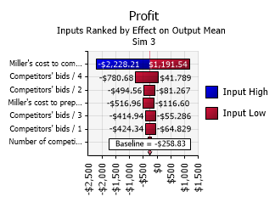 |  |  | Change in Output
 |  |  | Rank | Name | Lower |  | Upper
 |  |  | 1 | Miller's cost to complete project / Min | -$ 2,228.21 |  | $ 1,191.54
 |  |  | 2 | Competitors' bids / 4 | -$ 780.68 |  | $ 41.79
 |  |  | 3 | Competitors' bids / 2 | -$ 494.56 |  | -$ 81.27
 |  |  | 4 | Miller's cost to prepare a bid / Min | -$ 516.96 |  | -$ 116.60
 |  |  | 5 | Competitors' bids / 3 | -$ 414.94 |  | -$ 55.29
 |  |  | 6 | Competitors' bids / 1 | -$ 424.34 |  | -$ 64.83
 |  |  | 7 | Number of competing bids / Min | -$ 335.36 |  | -$ 190.62

Output B27 (4)
 | Profit - Model!B27 (Sim 4)
 | Report: | Compact Output Report

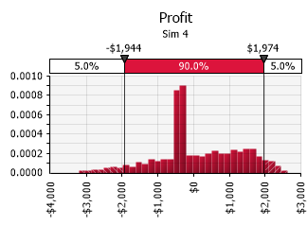 |  |  | Summary Statistics
 |  |  | Statistic |  |  | Value
 |  |  | Minimum |  |  | -$ 3,215.15
 |  |  | Maximum |  |  | $ 2,630.88
 |  |  | Mean |  |  | $ 107.80
 |  |  | Std. Deviation |  |  | $ 1,157.79
 |  |  | Variance |  |  | 1,340,486
 |  |  | Skewness |  |  | -0.1098
 |  |  | Kurtosis |  |  | 2.6925
 |  |  | Median |  |  | -$ 257.90
 |  |  | Mode |  |  | -$ 352.49
 |  |  | Left X |  |  | -$ 1,944.20
 |  |  | Left P |  |  | 5%
 |  |  | Right X |  |  | $ 1,974.28
 |  |  | Right P |  |  | 95%

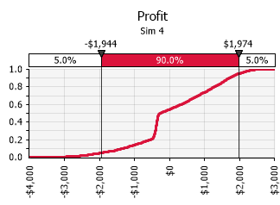 |  |  | Percentiles
 |  |  | Percentile |  |  | Value
 |  |  | 1% |  |  | -$ 2,712.29
 |  |  | 2.5% |  |  | -$ 2,344.59
 |  |  | 5% |  |  | -$ 1,944.20
 |  |  | 10% |  |  | -$ 1,343.84
 |  |  | 20% |  |  | -$ 551.67
 |  |  | 25% |  |  | -$ 437.17
 |  |  | 50% |  |  | -$ 257.90
 |  |  | 75% |  |  | $ 1,059.92
 |  |  | 80% |  |  | $ 1,271.26
 |  |  | 90% |  |  | $ 1,703.52
 |  |  | 95% |  |  | $ 1,974.28
 |  |  | 97.5% |  |  | $ 2,181.98
 |  |  | 99% |  |  | $ 2,340.51

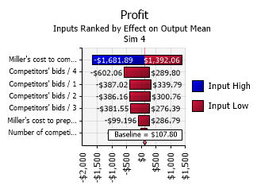 |  |  | Change in Output
 |  |  | Rank | Name | Lower |  | Upper
 |  |  | 1 | Miller's cost to complete project / Min | -$ 1,681.89 |  | $ 1,392.06
 |  |  | 2 | Competitors' bids / 4 | -$ 602.06 |  | $ 289.80
 |  |  | 3 | Competitors' bids / 1 | -$ 387.02 |  | $ 339.79
 |  |  | 4 | Competitors' bids / 2 | -$ 386.16 |  | $ 300.76
 |  |  | 5 | Competitors' bids / 3 | -$ 381.55 |  | $ 276.39
 |  |  | 6 | Miller's cost to prepare a bid / Min | -$ 99.20 |  | $ 286.79
 |  |  | 7 | Number of competing bids / Min | -$ 26.89 |  | $ 210.89

Output B27 (5)
 | Profit - Model!B27 (Sim 5)
 | Report: | Compact Output Report

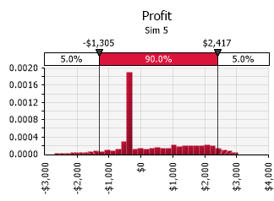 |  |  | Summary Statistics
 |  |  | Statistic |  |  | Value
 |  |  | Minimum |  |  | -$ 2,715.15
 |  |  | Maximum |  |  | $ 3,040.20
 |  |  | Mean |  |  | $ 383.09
 |  |  | Std. Deviation |  |  | $ 1,185.77
 |  |  | Variance |  |  | 1,406,051
 |  |  | Skewness |  |  | 0.3217
 |  |  | Kurtosis |  |  | 2.2681
 |  |  | Median |  |  | -$ 216.34
 |  |  | Mode |  |  | -$ 364.68
 |  |  | Left X |  |  | -$ 1,305.22
 |  |  | Left P |  |  | 5%
 |  |  | Right X |  |  | $ 2,417.12
 |  |  | Right P |  |  | 95%

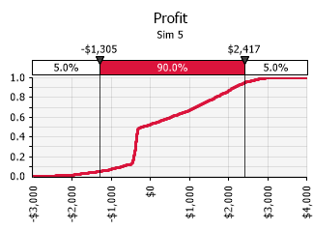 |  |  | Percentiles
 |  |  | Percentile |  |  | Value
 |  |  | 1% |  |  | -$ 2,148.94
 |  |  | 2.5% |  |  | -$ 1,778.33
 |  |  | 5% |  |  | -$ 1,305.22
 |  |  | 10% |  |  | -$ 713.35
 |  |  | 20% |  |  | -$ 422.31
 |  |  | 25% |  |  | -$ 398.19
 |  |  | 50% |  |  | -$ 216.34
 |  |  | 75% |  |  | $ 1,395.16
 |  |  | 80% |  |  | $ 1,672.02
 |  |  | 90% |  |  | $ 2,141.22
 |  |  | 95% |  |  | $ 2,417.12
 |  |  | 97.5% |  |  | $ 2,657.43
 |  |  | 99% |  |  | $ 2,834.63

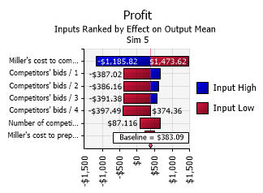 |  |  | Change in Output
 |  |  | Rank | Name | Lower |  | Upper
 |  |  | 1 | Miller's cost to complete project / Min | -$ 1,185.82 |  | $ 1,473.62
 |  |  | 2 | Competitors' bids / 1 | -$ 387.02 |  | $ 674.12
 |  |  | 3 | Competitors' bids / 2 | -$ 386.16 |  | $ 619.14
 |  |  | 4 | Competitors' bids / 3 | -$ 391.38 |  | $ 563.84
 |  |  | 5 | Competitors' bids / 4 | -$ 397.49 |  | $ 374.36
 |  |  | 6 | Number of competing bids / Min | $ 87.12 |  | $ 664.55
 |  |  | 7 | Miller's cost to prepare a bid / Min | $ 215.80 |  | $ 506.71

Output B27 (6)
 | Profit - Model!B27 (Sim 6)
 | Report: | Compact Output Report

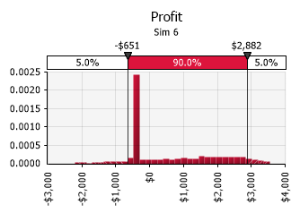 |  |  | Summary Statistics
 |  |  | Statistic |  |  | Value
 |  |  | Minimum |  |  | -$ 2,215.15
 |  |  | Maximum |  |  | $ 3,540.20
 |  |  | Mean |  |  | $ 582.96
 |  |  | Std. Deviation |  |  | $ 1,284.70
 |  |  | Variance |  |  | 1,650,465
 |  |  | Skewness |  |  | 0.6043
 |  |  | Kurtosis |  |  | 2.0599
 |  |  | Median |  |  | -$ 308.88
 |  |  | Mode |  |  | -$ 353.33
 |  |  | Left X |  |  | -$ 650.58
 |  |  | Left P |  |  | 5%
 |  |  | Right X |  |  | $ 2,882.39
 |  |  | Right P |  |  | 95%

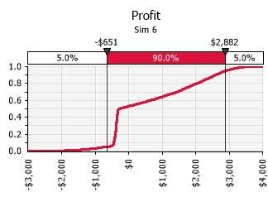 |  |  | Percentiles
 |  |  | Percentile |  |  | Value
 |  |  | 1% |  |  | -$ 1,638.56
 |  |  | 2.5% |  |  | -$ 1,161.25
 |  |  | 5% |  |  | -$ 650.58
 |  |  | 10% |  |  | -$ 450.30
 |  |  | 20% |  |  | -$ 403.06
 |  |  | 25% |  |  | -$ 387.74
 |  |  | 50% |  |  | -$ 308.88
 |  |  | 75% |  |  | $ 1,727.23
 |  |  | 80% |  |  | $ 2,016.46
 |  |  | 90% |  |  | $ 2,581.35
 |  |  | 95% |  |  | $ 2,882.39
 |  |  | 97.5% |  |  | $ 3,145.94
 |  |  | 99% |  |  | $ 3,302.85

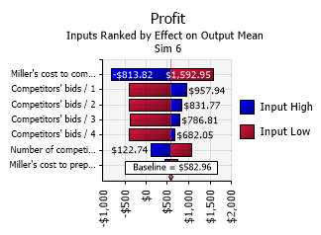 |  |  | Change in Output
 |  |  | Rank | Name | Lower |  | Upper
 |  |  | 1 | Miller's cost to complete project / Min | -$ 813.82 |  | $ 1,592.95
 |  |  | 2 | Competitors' bids / 1 | -$ 387.02 |  | $ 957.94
 |  |  | 3 | Competitors' bids / 2 | -$ 386.16 |  | $ 831.77
 |  |  | 4 | Competitors' bids / 3 | -$ 381.55 |  | $ 786.81
 |  |  | 5 | Competitors' bids / 4 | -$ 397.49 |  | $ 682.05
 |  |  | 6 | Number of competing bids / Min | $ 122.74 |  | $ 1,077.07
 |  |  | 7 | Miller's cost to prepare a bid / Min | $ 435.01 |  | $ 749.72

Output B27 (7)
 | Profit - Model!B27 (Sim 7)
 | Report: | Compact Output Report

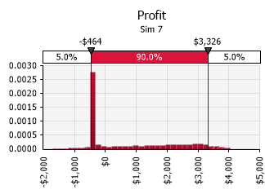 |  |  | Summary Statistics
 |  |  | Statistic |  |  | Value
 |  |  | Minimum |  |  | -$ 1,715.15
 |  |  | Maximum |  |  | $ 4,040.20
 |  |  | Mean |  |  | $ 718.04
 |  |  | Std. Deviation |  |  | $ 1,425.80
 |  |  | Variance |  |  | 2,032,917
 |  |  | Skewness |  |  | 0.7498
 |  |  | Kurtosis |  |  | 2.0367
 |  |  | Median |  |  | -$ 325.93
 |  |  | Mode |  |  | -$ 368.12
 |  |  | Left X |  |  | -$ 464.00
 |  |  | Left P |  |  | 5%
 |  |  | Right X |  |  | $ 3,326.47
 |  |  | Right P |  |  | 95%

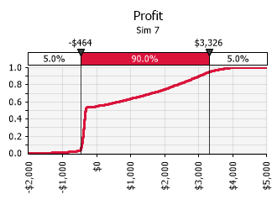 |  |  | Percentiles
 |  |  | Percentile |  |  | Value
 |  |  | 1% |  |  | -$ 1,045.41
 |  |  | 2.5% |  |  | -$ 585.81
 |  |  | 5% |  |  | -$ 464.00
 |  |  | 10% |  |  | -$ 436.14
 |  |  | 20% |  |  | -$ 400.19
 |  |  | 25% |  |  | -$ 386.87
 |  |  | 50% |  |  | -$ 325.93
 |  |  | 75% |  |  | $ 2,038.32
 |  |  | 80% |  |  | $ 2,374.13
 |  |  | 90% |  |  | $ 3,005.14
 |  |  | 95% |  |  | $ 3,326.47
 |  |  | 97.5% |  |  | $ 3,591.13
 |  |  | 99% |  |  | $ 3,790.45

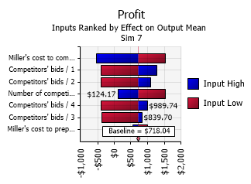 |  |  | Change in Output
 |  |  | Rank | Name | Lower |  | Upper
 |  |  | 1 | Miller's cost to complete project / Min | -$ 532.19 |  | $ 1,538.16
 |  |  | 2 | Competitors' bids / 1 | -$ 387.02 |  | $ 1,284.71
 |  |  | 3 | Competitors' bids / 2 | -$ 386.16 |  | $ 1,082.11
 |  |  | 4 | Number of competing bids / Min | $ 124.17 |  | $ 1,532.07
 |  |  | 5 | Competitors' bids / 4 | -$ 397.49 |  | $ 989.74
 |  |  | 6 | Competitors' bids / 3 | -$ 381.55 |  | $ 839.70
 |  |  | 7 | Miller's cost to prepare a bid / Min | $ 553.28 |  | $ 1,008.77

Output B27 (8)
 | Profit - Model!B27 (Sim 8)
 | Report: | Compact Output Report

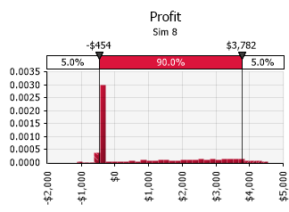 |  |  | Summary Statistics
 |  |  | Statistic |  |  | Value
 |  |  | Minimum |  |  | -$ 1,131.21
 |  |  | Maximum |  |  | $ 4,540.20
 |  |  | Mean |  |  | $ 781.93
 |  |  | Std. Deviation |  |  | $ 1,584.26
 |  |  | Variance |  |  | 2,509,878
 |  |  | Skewness |  |  | 0.8853
 |  |  | Kurtosis |  |  | 2.1845
 |  |  | Median |  |  | -$ 338.51
 |  |  | Mode |  |  | -$ 365.93
 |  |  | Left X |  |  | -$ 454.50
 |  |  | Left P |  |  | 5%
 |  |  | Right X |  |  | $ 3,781.94
 |  |  | Right P |  |  | 95%

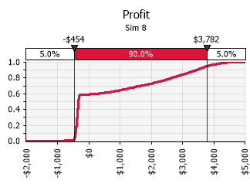 |  |  | Percentiles
 |  |  | Percentile |  |  | Value
 |  |  | 1% |  |  | -$ 496.05
 |  |  | 2.5% |  |  | -$ 471.83
 |  |  | 5% |  |  | -$ 454.50
 |  |  | 10% |  |  | -$ 432.89
 |  |  | 20% |  |  | -$ 401.12
 |  |  | 25% |  |  | -$ 388.36
 |  |  | 50% |  |  | -$ 338.51
 |  |  | 75% |  |  | $ 2,200.40
 |  |  | 80% |  |  | $ 2,630.87
 |  |  | 90% |  |  | $ 3,437.76
 |  |  | 95% |  |  | $ 3,781.94
 |  |  | 97.5% |  |  | $ 4,083.52
 |  |  | 99% |  |  | $ 4,272.95

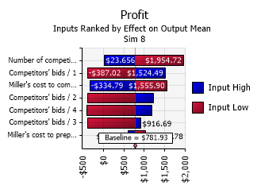 |  |  | Change in Output
 |  |  | Rank | Name | Lower |  | Upper
 |  |  | 1 | Number of competing bids / Min | $ 23.66 |  | $ 1,954.72
 |  |  | 2 | Competitors' bids / 1 | -$ 387.02 |  | $ 1,524.49
 |  |  | 3 | Miller's cost to complete project / Min | -$ 334.79 |  | $ 1,555.90
 |  |  | 4 | Competitors' bids / 2 | -$ 386.16 |  | $ 1,215.79
 |  |  | 5 | Competitors' bids / 4 | -$ 398.40 |  | $ 1,193.28
 |  |  | 6 | Competitors' bids / 3 | -$ 381.55 |  | $ 916.69
 |  |  | 7 | Miller's cost to prepare a bid / Min | $ 601.78 |  | $ 1,033.78

Output B27 (9)
 | Profit - Model!B27 (Sim 9)
 | Report: | Compact Output Report

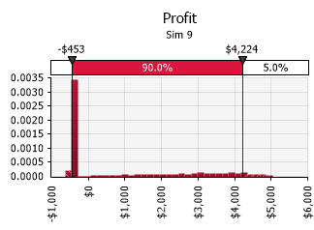 |  |  | Summary Statistics
 |  |  | Statistic |  |  | Value
 |  |  | Minimum |  |  | -$ 631.21
 |  |  | Maximum |  |  | $ 5,040.20
 |  |  | Mean |  |  | $ 832.90
 |  |  | Std. Deviation |  |  | $ 1,746.69
 |  |  | Variance |  |  | 3,050,915
 |  |  | Skewness |  |  | 0.9829
 |  |  | Kurtosis |  |  | 2.3321
 |  |  | Median |  |  | -$ 345.31
 |  |  | Mode |  |  | -$ 364.99
 |  |  | Left X |  |  | -$ 453.31
 |  |  | Left P |  |  | 5%
 |  |  | Right X |  |  | $ 4,223.95
 |  |  | Right P |  |  | 95%

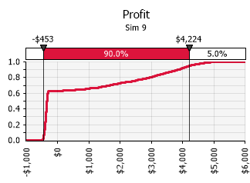 |  |  | Percentiles
 |  |  | Percentile |  |  | Value
 |  |  | 1% |  |  | -$ 480.19
 |  |  | 2.5% |  |  | -$ 465.48
 |  |  | 5% |  |  | -$ 453.31
 |  |  | 10% |  |  | -$ 432.06
 |  |  | 20% |  |  | -$ 402.04
 |  |  | 25% |  |  | -$ 391.36
 |  |  | 50% |  |  | -$ 345.31
 |  |  | 75% |  |  | $ 2,343.22
 |  |  | 80% |  |  | $ 2,955.21
 |  |  | 90% |  |  | $ 3,856.44
 |  |  | 95% |  |  | $ 4,223.95
 |  |  | 97.5% |  |  | $ 4,514.79
 |  |  | 99% |  |  | $ 4,764.50

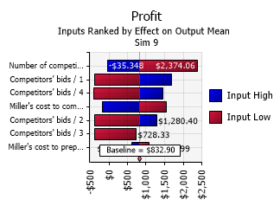 |  |  | Change in Output
 |  |  | Rank | Name | Lower |  | Upper
 |  |  | 1 | Number of competing bids / Min | -$ 35.35 |  | $ 2,374.06
 |  |  | 2 | Competitors' bids / 1 | -$ 387.02 |  | $ 1,694.11
 |  |  | 3 | Competitors' bids / 4 | -$ 398.40 |  | $ 1,462.51
 |  |  | 4 | Miller's cost to complete project / Min | -$ 185.70 |  | $ 1,545.34
 |  |  | 5 | Competitors' bids / 2 | -$ 386.16 |  | $ 1,280.40
 |  |  | 6 | Competitors' bids / 3 | -$ 387.11 |  | $ 728.33
 |  |  | 7 | Miller's cost to prepare a bid / Min | $ 614.81 |  | $ 1,089.99

Output B27 (10)
 | Profit - Model!B27 (Sim 10)
 | Report: | Compact Output Report

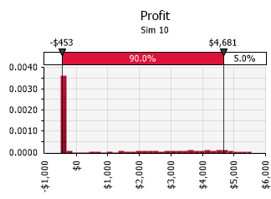 |  |  | Summary Statistics
 |  |  | Statistic |  |  | Value
 |  |  | Minimum |  |  | -$ 497.39
 |  |  | Maximum |  |  | $ 5,540.20
 |  |  | Mean |  |  | $ 835.06
 |  |  | Std. Deviation |  |  | $ 1,886.14
 |  |  | Variance |  |  | 3,557,539
 |  |  | Skewness |  |  | 1.1180
 |  |  | Kurtosis |  |  | 2.5969
 |  |  | Median |  |  | -$ 351.07
 |  |  | Mode |  |  | -$ 341.23
 |  |  | Left X |  |  | -$ 453.46
 |  |  | Left P |  |  | 5%
 |  |  | Right X |  |  | $ 4,681.07
 |  |  | Right P |  |  | 95%

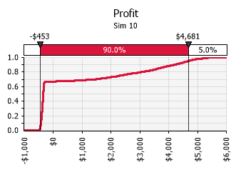 |  |  | Percentiles
 |  |  | Percentile |  |  | Value
 |  |  | 1% |  |  | -$ 478.67
 |  |  | 2.5% |  |  | -$ 465.22
 |  |  | 5% |  |  | -$ 453.46
 |  |  | 10% |  |  | -$ 433.61
 |  |  | 20% |  |  | -$ 405.57
 |  |  | 25% |  |  | -$ 394.47
 |  |  | 50% |  |  | -$ 351.07
 |  |  | 75% |  |  | $ 2,283.66
 |  |  | 80% |  |  | $ 3,047.61
 |  |  | 90% |  |  | $ 4,185.44
 |  |  | 95% |  |  | $ 4,681.07
 |  |  | 97.5% |  |  | $ 4,938.32
 |  |  | 99% |  |  | $ 5,253.79

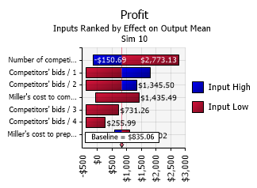 |  |  | Change in Output
 |  |  | Rank | Name | Lower |  | Upper
 |  |  | 1 | Number of competing bids / Min | -$ 150.69 |  | $ 2,773.13
 |  |  | 2 | Competitors' bids / 1 | -$ 387.02 |  | $ 1,800.24
 |  |  | 3 | Competitors' bids / 2 | -$ 386.16 |  | $ 1,345.50
 |  |  | 4 | Miller's cost to complete project / Min | -$ 57.26 |  | $ 1,435.49
 |  |  | 5 | Competitors' bids / 3 | -$ 387.11 |  | $ 731.26
 |  |  | 6 | Competitors' bids / 4 | -$ 398.40 |  | $ 255.99
 |  |  | 7 | Miller's cost to prepare a bid / Min | $ 576.58 |  | $ 1,114.02

